Supplementary File 4
Magmatic evolution of garnet-bearing highly fractionated granitic rocks from Macao, Southeast China: Implications for granite-related mineralization processes
Quelhas et al. (Journal of Earth Science)

Supplementary File 4
Location of analyzed samples
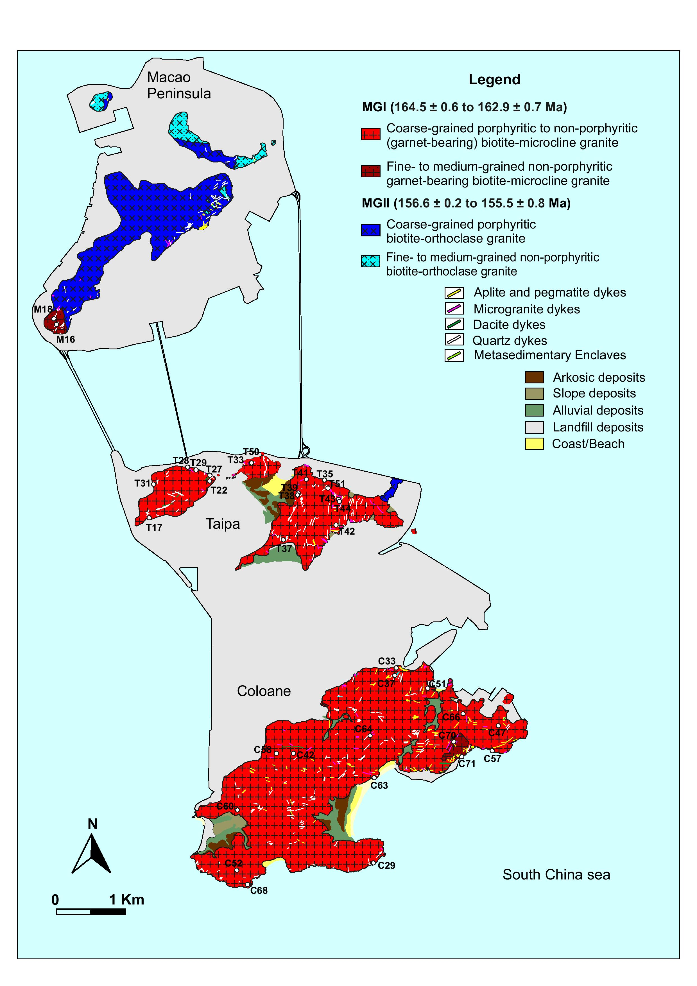

Samples | Area | Latitude | Longitude | Group
T 39 | Taipa | 22,160809 | 113,562909 | MGI HF
T17 | Taipa | 22,157439 | 113,543556 | MGI HF
T37 | Taipa | 22,154830 | 113,560610 | MGI HF
T41 | Taipa | 22,162595 | 113,564108 | MGI HF
T 38 | Taipa | 22,160483 | 113,562900 | MGI HF
T 31 | Taipa | 22,161807 | 113,544412 | MGI HF
M 16 | Macao Peninsula | 22,182528 | 113,531768 | MGI HF
M18 | Macao Peninsula | 22,183342 | 113,531582 | MGI HF
T44 | Taipa | 22,159675 | 113,568718 | MGI HF
T28 | Taipa | 22,163982 | 113,548960 | MGI HF
C 70 | Coloane | 22,128469 | 113,583146 | MGI HF
C 71 | Coloane | 22,126768 | 113,584221 | MGI HF
T 51 | Taipa | 22,161223 | 113,567083 | MGI HF
C 57 | Coloane | 22,127385 | 113,588193 | MGI HF
T 50 | Taipa | 22,164725 | 11,355708 | MGI HF
T 33 | Taipa | 22,164634 | 113,566793 | MGI WMF
T 43 | Taipa | 22,160030 | 113,568605 | MGI WMF
T43R | Taipa | 22,160030 | 113,568605 | MGI WMF
T22 | Taipa | 22,162377 | 113,551577 | MGI WMF
T 29 | Taipa | 22,163812 | 113,549932 | MGI WMF
T 35 | Taipa | 22,162423 | 113,566327 | MGI WMF
T 42 | Taipa | 22,156562 | 113,567977 | MGI WMF
C 52 | Coloane | 22,112117 | 113,555266 | MGI WMF
C 58 | Coloane | 22,12703 | 113,560318 | MGI WMF
C33 | Coloane | 22,138158 | 113,576130 | MGI WMF
C33R | Coloane | 22,138158 | 113,576130 | MGI WMF
C 64 | Coloane | 22,129394 | 113,572545 | MGI WMF
C 51 | Coloane | 22,135277 | 113,580078 | MGI WMF
C 60 | Coloane | 22,119867 | 113,555112 | MGI WMF
C 29 | Coloane | 22,112900 | 113,572800 | MGI WMF
C 66 | Coloane | 22,132108 | 113,584395 | MGI WMF
C47 | Coloane | 22,130911 | 113,588969 | MGI WMF
C 42 | Coloane | 22,127222 | 113,562500 | MGI WMF
C 37 | Coloane | 22,137057 | 113,575700 | MGI WMF
C 63 | Coloane | 22,123868 | 113,572722 | MGI WMF
C 68 | Coloane | 22,110011 | 11,355632 | MGI WMF
Abbreviations: MGI WMF - Macao Group I weakly to moderately fractionated granites (Zr/Hf > 25); MGI HF - Macao Group I highly fractionated granites (Zr/Hf < 25).
Note: the reference coordinate system used is WGS84.

